M04
Speaker: M04 | Intelligibility: Very Low | Speech Vision Accuracy: 10.94

Model Name | Layers Frozen | Accuracy | Loss graph | Training accuracy graph
M04_E1.h5 | Encoder 1 | 7 | 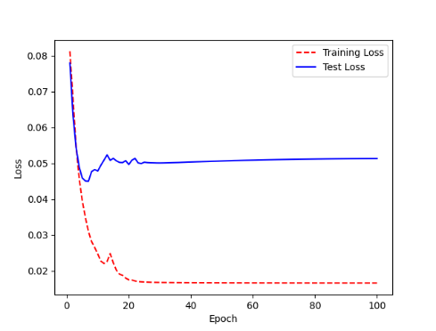 | 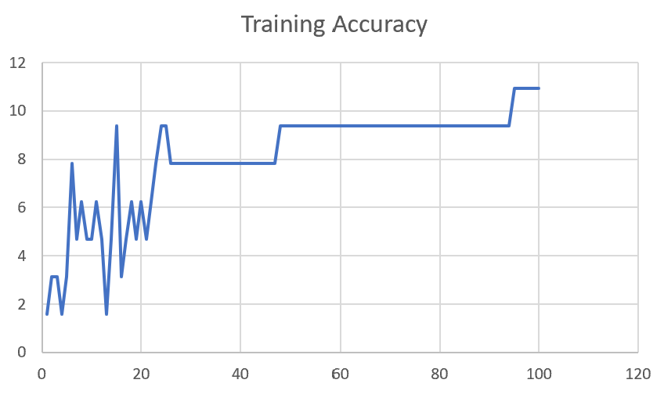

M04_E12.h5 | Encoder 12 | 5 | 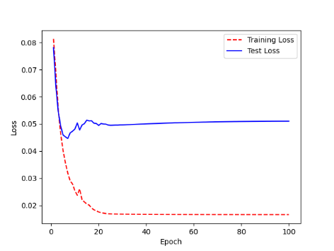 | 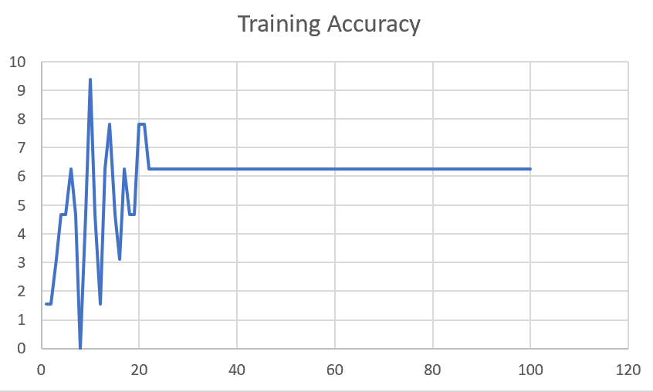

M04_E123 | Encoder 123 | 7 | 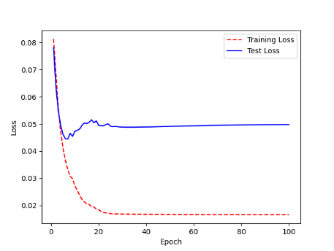 | 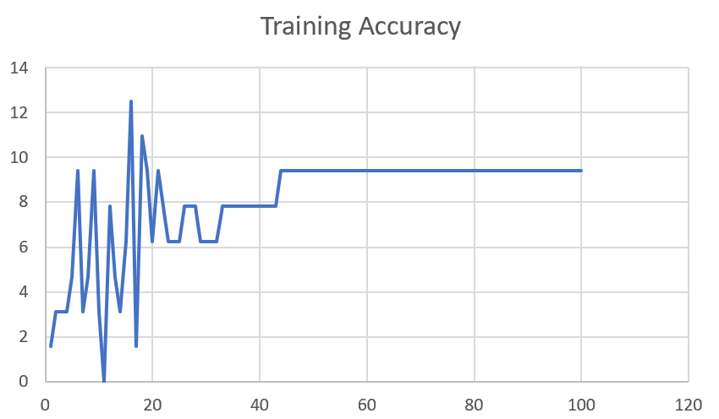

M04_E1234 | Encode 1234 | 6 |  | 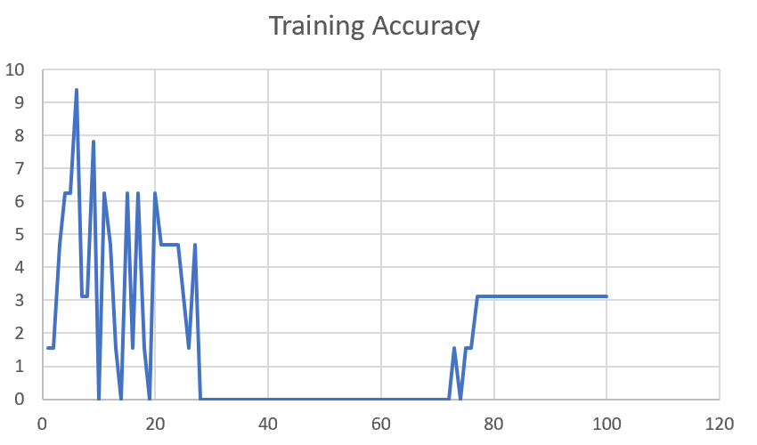

M04_E12345 | Encode 12345 | 6 | 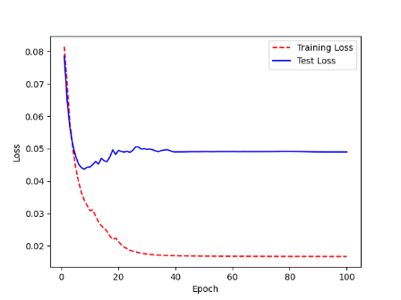 | 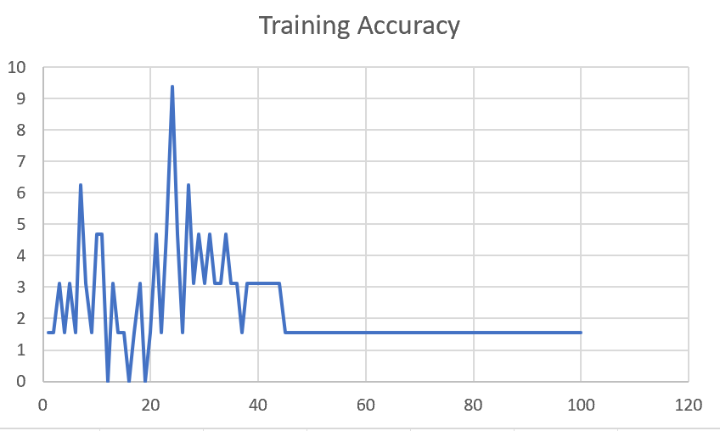

M04_TE | Token Embeddings | 7 | 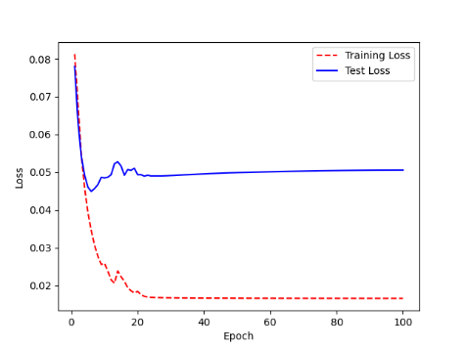 | 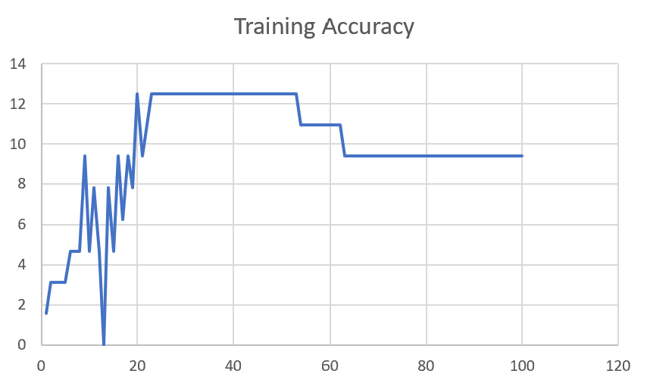

M04_T3+D123 | Token Embeddings + Decoder 1 | 6 | 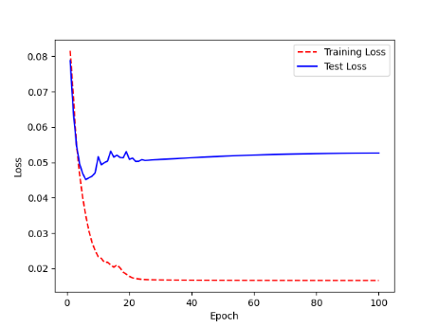 | 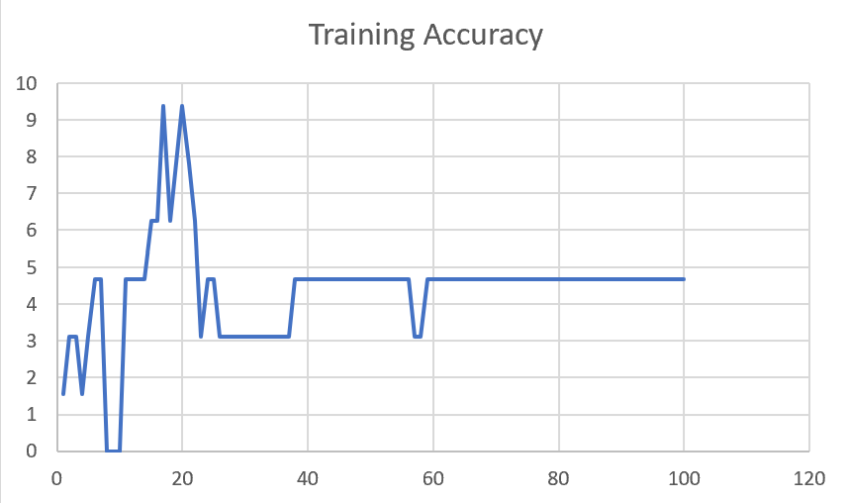

M04_T3+D12 | Token Embeddings + Decoder 12 | 6 | 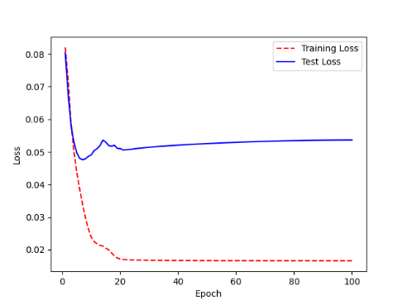 | 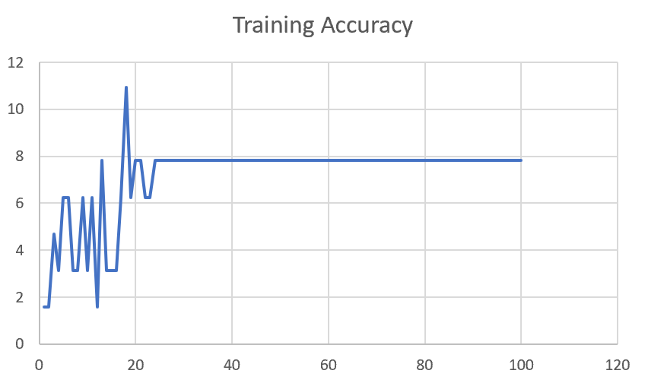

M04_T3+D1 | Token Embeddings + Decoder 123 | 5 | 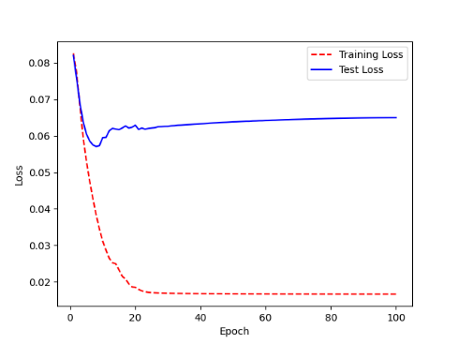 | 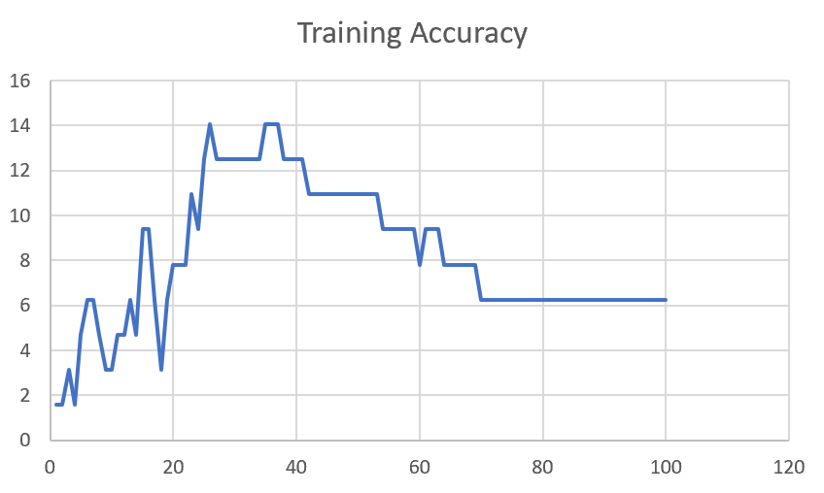

F02
Speaker: F02 | Intelligibility: Low | Speech Vision Accuracy: 67.02

Model Name | Layers Frozen | Accuracy | Loss graph | Training accuracy graph
F02_E1.h5 | Encoder 1 | 47 |  | 

F02_E12.h5 | Encoder 12 | 45 |  | 

F02_E123 | Encoder 123 | 47 |  | 

F02_E1234 | Encode 1234 | 43 |  | 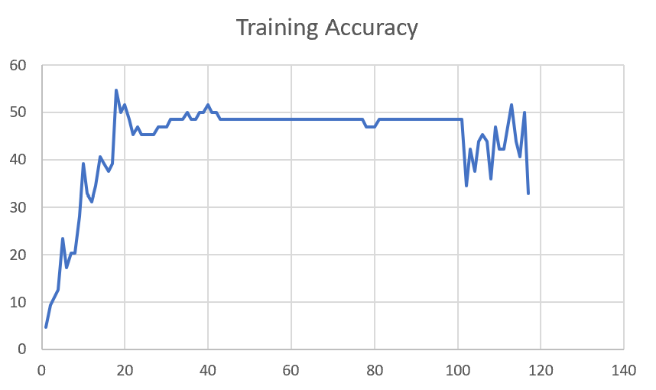

F02_E12345 | Encode 12345 | 41 | 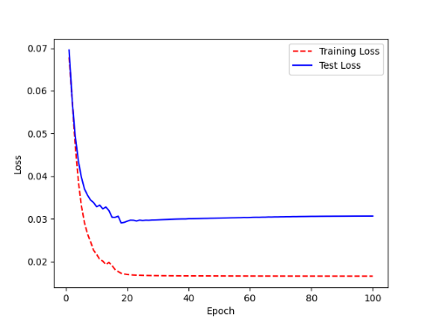 | 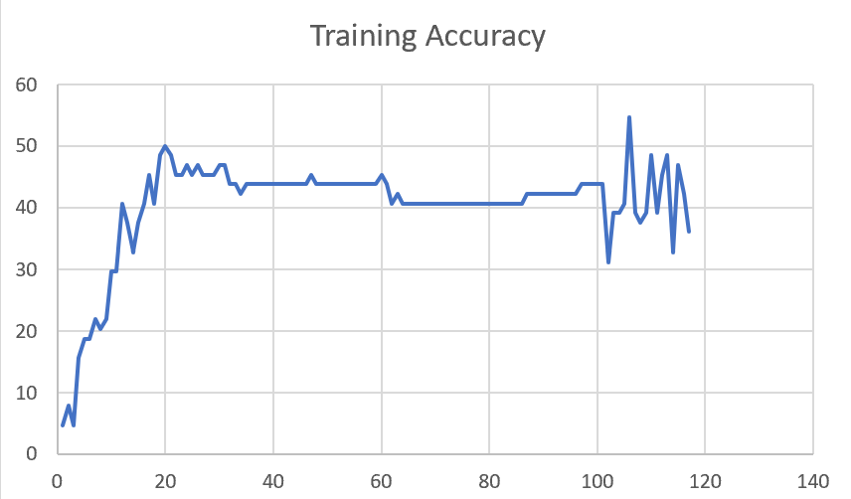

F02_t3 | Token Embeddings | 52 | 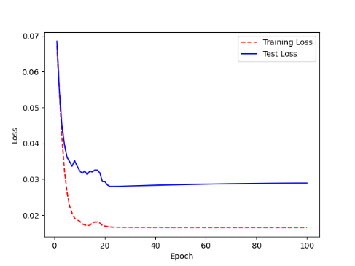 | 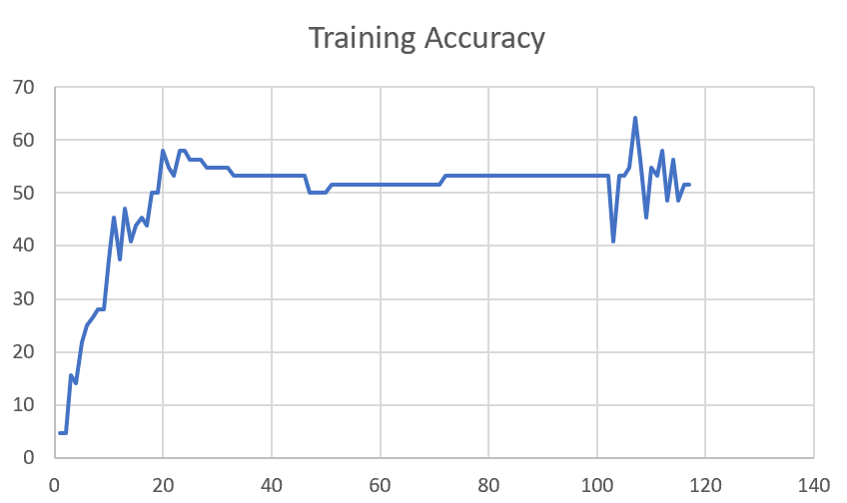

F02_T3+D123 | Token Embeddings + Decoder 123 | 45 | 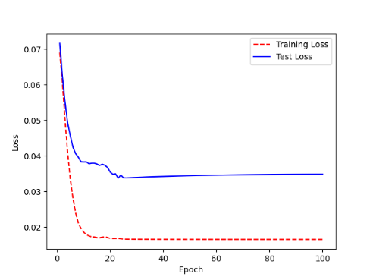 | 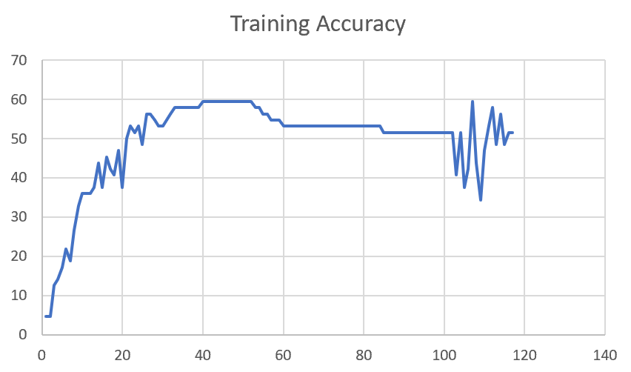

F02_T3+D12 | Token Embeddings + Decoder 12 | 50 | 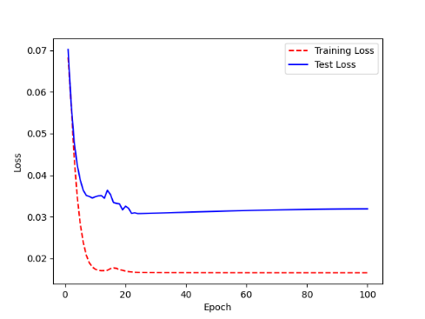 | 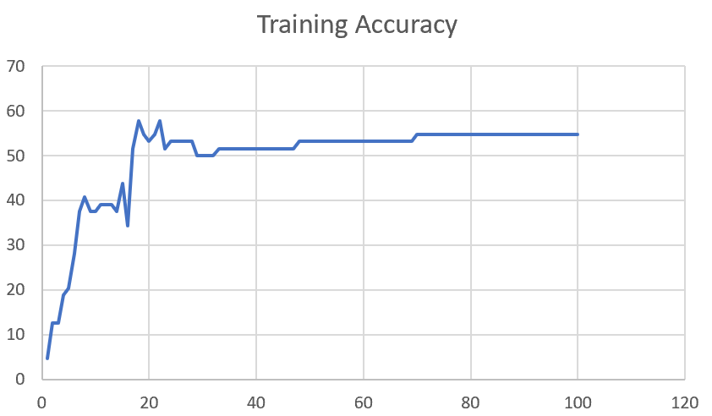

F02_T3+D1 | Token Embeddings + Decoder 1 | 50 | 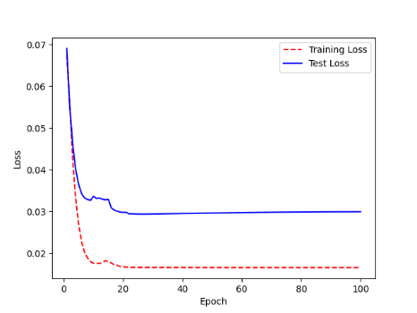 | 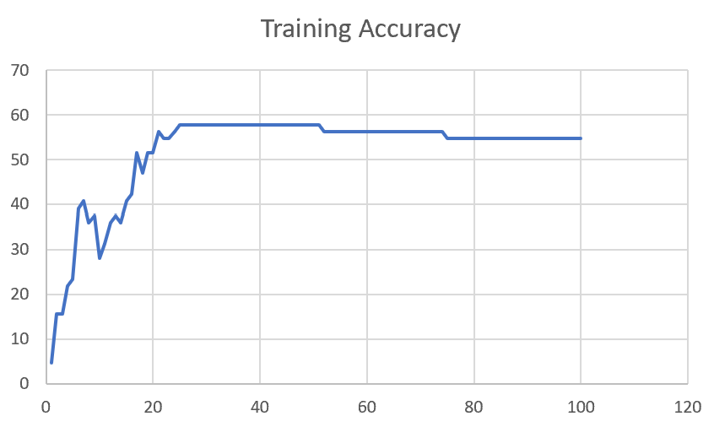

F03
Speaker: F03 | Intelligibility: Very Low | Speech Vision Accuracy: 32.47

Model Name | Layers Frozen | Accuracy | Loss graph | Training accuracy graph
F03_E1.h5 | Encoder 1 | 22 | 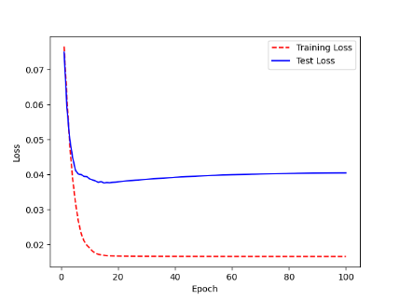 | 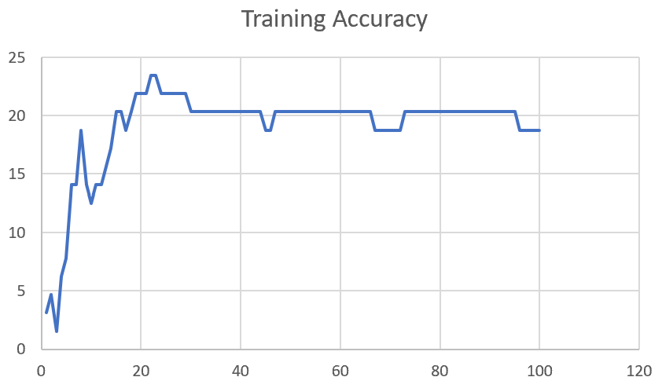

F03_E12.h5 | Encoder 12 | 25 | 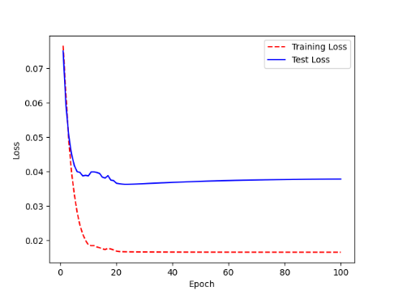 | 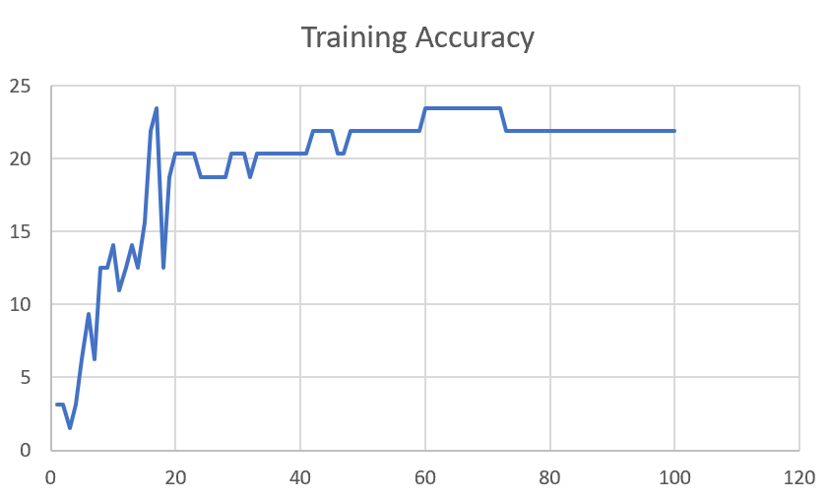

F03_E123 | Encoder 123 | 23 | 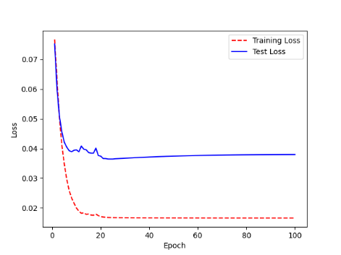 | 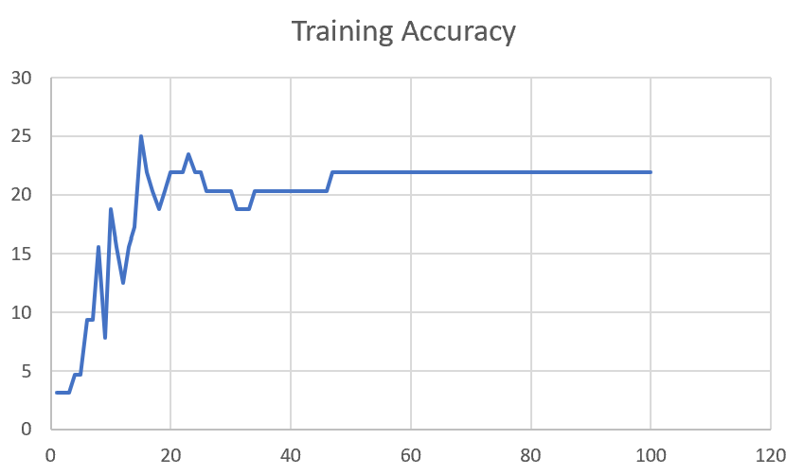

F03_E1234 | Encode 1234 | 20 | 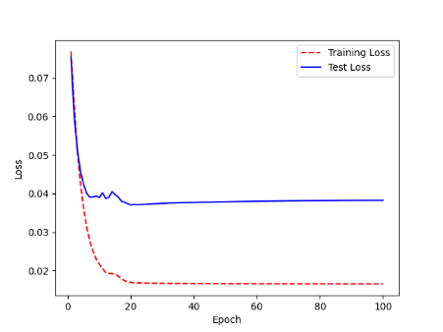 | 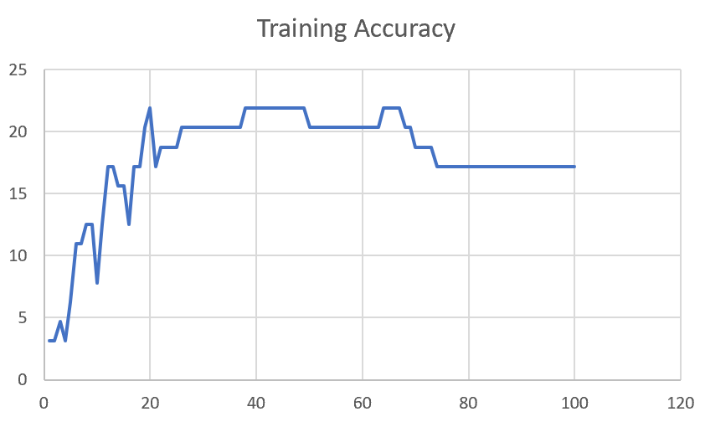

F03_E12345 | Encode 12345 | 19 |  | 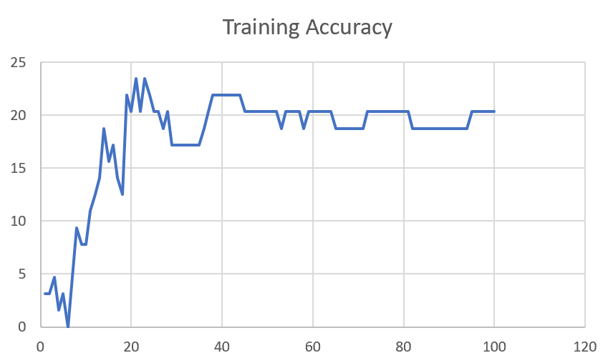

F03_TE | Token Embeddings | 28 |  | 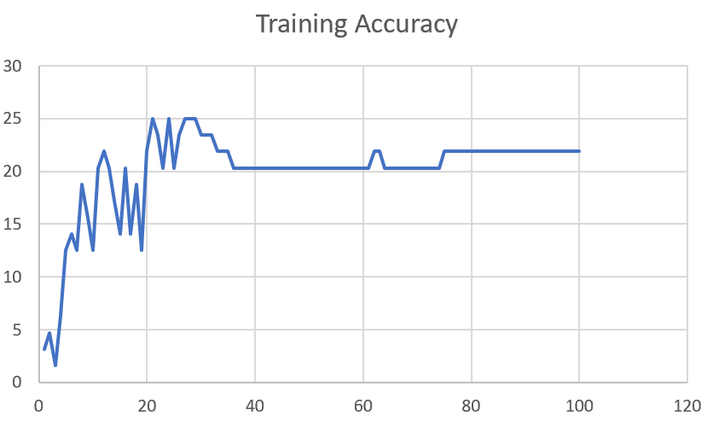

F03_T3+D123 | Token Embeddings + Decoder 1 | 29 |  | 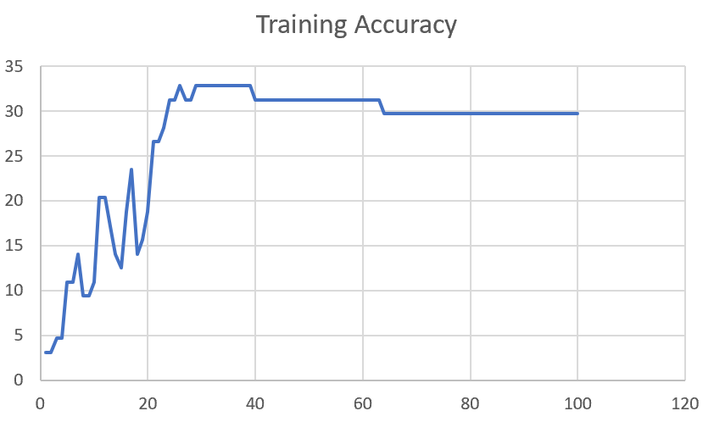

F03_T3+D12 | Token Embeddings + Decoder 12 | 25 | 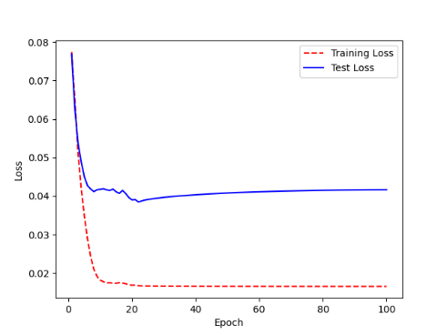 | 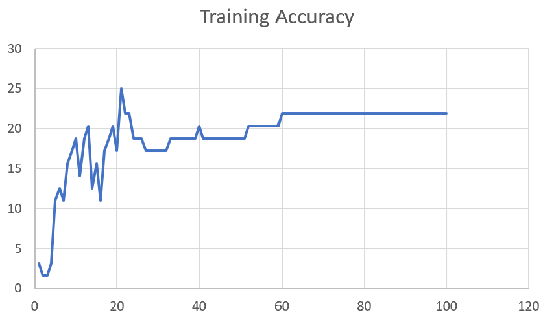

F03_T3+D1 | Token Embeddings + Decoder 123 | 22 | 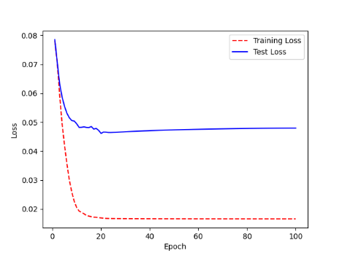 | 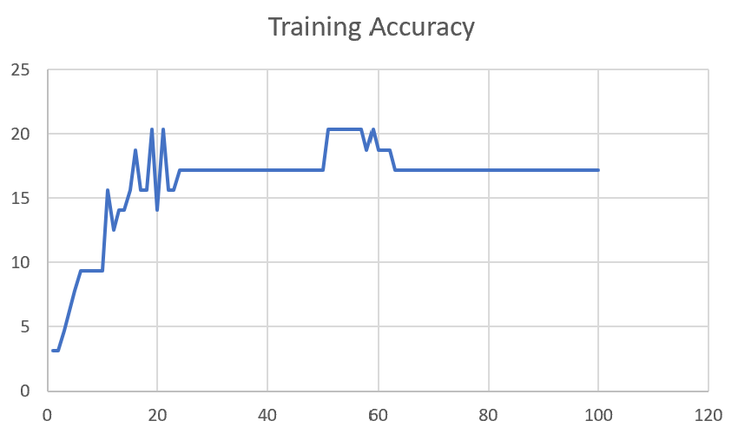

M12
Speaker: M12 | Intelligibility: Very Low | Speech Vision Accuracy: 40.65

Model Name | Layers Frozen | Accuracy | Loss graph | Training accuracy graph
M12_E1.h5 | Encoder 1 | 17 | 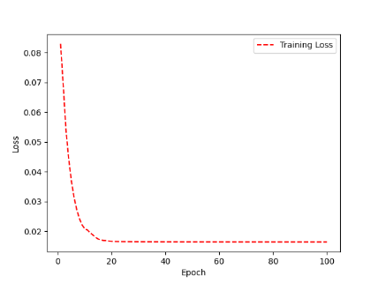 | 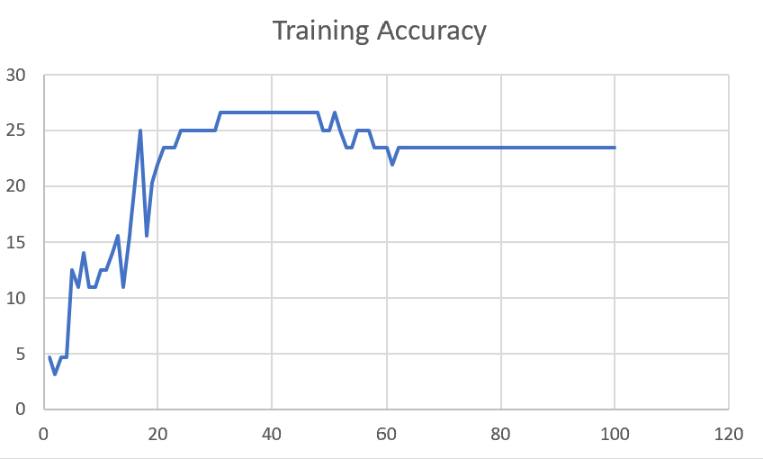

M12_E12.h5 | Encoder 12 | 18 |  | 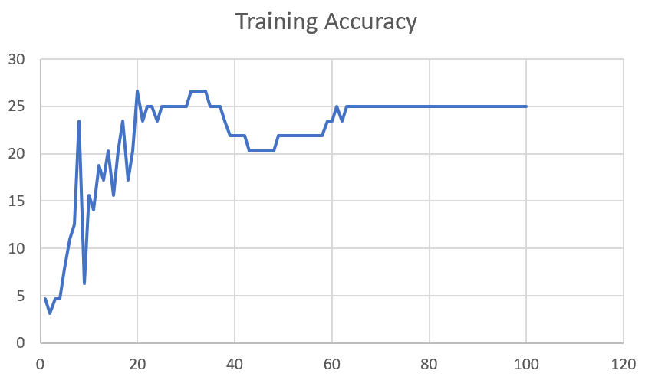

M12_E123 | Encoder 123 | 18 | 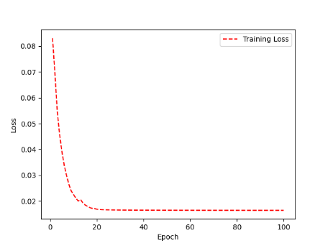 | 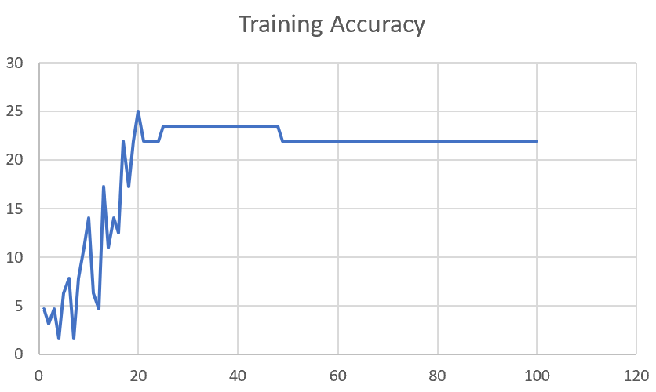

M12_E1234 | Encode 1234 | 14 | 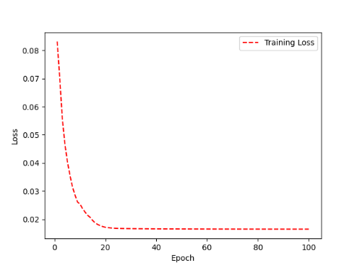 | 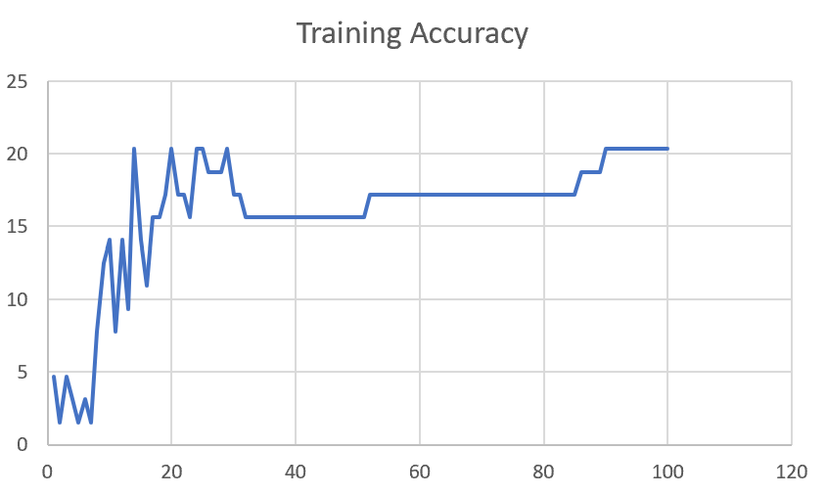

M12_E12345 | Encode 12345 | 16 |  | 

M12_TE | Token Embeddings | 19 |  | 

M12_T3+D123 | Token Embeddings + Decoder 1 | 17 |  | 

M12_T3+D12 | Token Embeddings + Decoder 12 | 16 |  | 

M12_T3+D1 | Token Embeddings + Decoder 123 | 13 |  | 

M12_D3 | Decoder 3 | 15 |  | 

M01
Speaker: M01 | Intelligibility: Very Low | Speech Vision Accuracy: 28.37

Model Name | Layers Frozen | Accuracy | Loss graph | Training accuracy graph
M01_E1.h5 | Encoder 1 | 24 |  | 

M01_E12.h5 | Encoder 12 | 22 |  | 

M01_E123 | Encoder 123 | 18 |  | 

M01_E1234 | Encode 1234 | 15 |  | 

M01_E12345 | Encode 12345 | 17 |  | 

M01_TE | Token Embeddings | 21 |  | 

M01_T3+D123 | Token Embeddings + Decoder 1 | 28 |  | 

M01_T3+D12 | Token Embeddings + Decoder 12 | 22 |  | 

M01_T3+D1 | Token Embeddings + Decoder 123 | 20 |  | 

M01_D3 | Decoder 3 | 26 |  | 

M07
Speaker: M07 | Intelligibility: Low | Speech Vision Accuracy: 69.46

Model Name | Layers Frozen | Accuracy | Loss graph | Training accuracy graph
M07_E1.h5 | Encoder 1 | 49 |  | 

M07_E12.h5 | Encoder 12 | 41 |  | 

M07_E123 | Encoder 123 | 39 |  | 

M07_E1234 | Encode 1234 | 35 |  | 

M07_E12345 | Encode 12345 | 38 |  | 

M07_TE | Token Embeddings | 49 |  | 

M07_T3+D123 | Token Embeddings + Decoder 1 | 47 |  | 

M07_T3+D12 | Token Embeddings + Decoder 12 | 50 |  | 

M07_T3+D1 | Token Embeddings + Decoder 123 | 48 |  | 

M01_D3 | Decoder 3 | 53 |  | 

M16
Speaker: M16 | Intelligibility: Low | Speech Vision Accuracy: 55.91

Model Name | Layers Frozen | Accuracy | Loss graph | Training accuracy graph
M16_E1.h5 | Encoder 1 | 56 |  | 

M16_E12.h5 | Encoder 12 | 50 |  | 

M16_E123 | Encoder 123 | 48 |  | 

M16_E1234 | Encode 1234 | 47 |  | 

M16_E12345 | Encode 12345 | 48 |  | 

M16_TE | Token Embeddings | 56 |  | 

M16_T3+D1 | Token Embeddings + Decoder 1 | 57 |  | 

M16_T3+D12 | Token Embeddings + Decoder 12 | 56 |  | 

M16_T3+D123 | Token Embeddings + Decoder 123 | 55 |  | 

M16_D3 | Decoder 3 | 57 |  | 

M05
Speaker: M05 | Intelligibility: Mild | Speech Vision Accuracy: 64.95

Model Name | Layers Frozen | Accuracy | Loss graph | Training accuracy graph
M05_E1.h5 | Encoder 1 | 52 |  | 

M05_E12.h5 | Encoder 12 | 48 |  | 

M05_E123 | Encoder 123 | 48 |  | 

M05_E1234 | Encode 1234 | 48 |  | 

M05_E12345 | Encode 12345 | 52 |  | 

M05_TE | Token Embeddings | 53 |  | 

M05_T3+D1 | Token Embeddings + Decoder 1 | 55 |  | 

M05_T3+D12 | Token Embeddings + Decoder 12 | 55 |  | 

M05_T3+D123 | Token Embeddings + Decoder 123 | 48 |  | 

M05_D3 | Decoder 3 | 56 |  | 

M11
Speaker: M11 | Intelligibility: Mild | Speech Vision Accuracy: 49.68

Model Name | Layers Frozen | Accuracy | Loss graph | Training accuracy graph
M11_E1.h5 | Encoder 1 | 41 |  | 

M11_E12.h5 | Encoder 12

M11_E123 | Encoder 123

M11_E1234 | Encode 1234

M11_E12345 | Encode 12345

M11_TE | Token Embeddings

M11_T3+D1 | Token Embeddings + Decoder 1

M11_T3+D12 | Token Embeddings + Decoder 12

M11_T3+D123 | Token Embeddings + Decoder 123

M11_D3 | Decoder 3

Sheet1
 |  |  | Training Accuracy
0 | 0.84375 | 1 | 15.625
1 | 0.828125 | 2 | 17.1875
2 | 0.75 | 3 | 25
3 | 0.71875 | 4 | 28.125
4 | 0.71875 | 5 | 28.125
5 | 0.671875 | 6 | 32.8125
6 | 0.671875 | 7 | 32.8125
7 | 0.65625 | 8 | 34.375
8 | 0.671875 | 9 | 32.8125
9 | 0.703125 | 10 | 29.6875
10 | 0.6875 | 11 | 31.25
11 | 0.640625 | 12 | 35.9375
12 | 0.640625 | 13 | 35.9375
13 | 0.65625 | 14 | 34.375
14 | 0.65625 | 15 | 34.375
15 | 0.640625 | 16 | 35.9375
16 | 0.640625 | 17 | 35.9375
17 | 0.640625 | 18 | 35.9375
18 | 0.640625 | 19 | 35.9375
19 | 0.640625 | 20 | 35.9375
20 | 0.640625 | 21 | 35.9375
21 | 0.640625 | 22 | 35.9375
22 | 0.640625 | 23 | 35.9375
23 | 0.640625 | 24 | 35.9375
24 | 0.625 | 25 | 37.5
25 | 0.625 | 26 | 37.5
26 | 0.625 | 27 | 37.5
27 | 0.625 | 28 | 37.5
28 | 0.625 | 29 | 37.5
29 | 0.625 | 30 | 37.5
30 | 0.625 | 31 | 37.5
31 | 0.625 | 32 | 37.5
32 | 0.625 | 33 | 37.5
33 | 0.625 | 34 | 37.5
34 | 0.625 | 35 | 37.5
35 | 0.625 | 36 | 37.5
36 | 0.625 | 37 | 37.5
37 | 0.625 | 38 | 37.5
38 | 0.625 | 39 | 37.5
39 | 0.625 | 40 | 37.5
40 | 0.625 | 41 | 37.5
41 | 0.625 | 42 | 37.5
42 | 0.625 | 43 | 37.5
43 | 0.625 | 44 | 37.5
44 | 0.625 | 45 | 37.5
45 | 0.625 | 46 | 37.5
46 | 0.625 | 47 | 37.5
47 | 0.625 | 48 | 37.5
48 | 0.625 | 49 | 37.5
49 | 0.625 | 50 | 37.5
50 | 0.625 | 51 | 37.5
51 | 0.625 | 52 | 37.5
52 | 0.625 | 53 | 37.5
53 | 0.625 | 54 | 37.5
54 | 0.625 | 55 | 37.5
55 | 0.625 | 56 | 37.5
56 | 0.625 | 57 | 37.5
57 | 0.625 | 58 | 37.5
58 | 0.625 | 59 | 37.5
59 | 0.625 | 60 | 37.5
60 | 0.625 | 61 | 37.5
61 | 0.625 | 62 | 37.5
62 | 0.625 | 63 | 37.5
63 | 0.625 | 64 | 37.5
64 | 0.625 | 65 | 37.5
65 | 0.640625 | 66 | 35.9375
66 | 0.640625 | 67 | 35.9375
67 | 0.640625 | 68 | 35.9375
68 | 0.640625 | 69 | 35.9375
69 | 0.640625 | 70 | 35.9375
70 | 0.640625 | 71 | 35.9375
71 | 0.640625 | 72 | 35.9375
72 | 0.640625 | 73 | 35.9375
73 | 0.640625 | 74 | 35.9375
74 | 0.640625 | 75 | 35.9375
75 | 0.640625 | 76 | 35.9375
76 | 0.640625 | 77 | 35.9375
77 | 0.640625 | 78 | 35.9375
78 | 0.640625 | 79 | 35.9375
79 | 0.625 | 80 | 37.5
80 | 0.625 | 81 | 37.5
81 | 0.625 | 82 | 37.5
82 | 0.625 | 83 | 37.5
83 | 0.625 | 84 | 37.5
84 | 0.625 | 85 | 37.5
85 | 0.625 | 86 | 37.5
86 | 0.625 | 87 | 37.5
87 | 0.625 | 88 | 37.5
88 | 0.625 | 89 | 37.5
89 | 0.625 | 90 | 37.5
90 | 0.625 | 91 | 37.5
91 | 0.625 | 92 | 37.5
92 | 0.625 | 93 | 37.5
93 | 0.625 | 94 | 37.5
94 | 0.625 | 95 | 37.5
95 | 0.625 | 96 | 37.5
96 | 0.625 | 97 | 37.5
97 | 0.625 | 98 | 37.5
98 | 0.625 | 99 | 37.5
99 | 0.625 | 100 | 37.5
<__main__.DisplayOutputs object at 0x7f0f4c031ee0> | 0.625 | #VALUE! | 37.5
<__main__.DisplayOutputs object at 0x7f0f4c031ee0> | 0.578125 | #VALUE! | 42.1875
<__main__.DisplayOutputs object at 0x7f0f4c031ee0> | 0.5625 | #VALUE! | 43.75
<__main__.DisplayOutputs object at 0x7f0f4c031ee0> | 0.609375 | #VALUE! | 39.0625
<__main__.DisplayOutputs object at 0x7f0f4c031ee0> | 0.640625 | #VALUE! | 35.9375
<__main__.DisplayOutputs object at 0x7f0f4c031ee0> | 0.578125 | #VALUE! | 42.1875
<__main__.DisplayOutputs object at 0x7f0f4c031ee0> | 0.53125 | #VALUE! | 46.875
<__main__.DisplayOutputs object at 0x7f0f4c031ee0> | 0.5 | #VALUE! | 50
<__main__.DisplayOutputs object at 0x7f0f4c031ee0> | 0.65625 | #VALUE! | 34.375
<__main__.DisplayOutputs object at 0x7f0f4c031ee0> | 0.578125 | #VALUE! | 42.1875
<__main__.DisplayOutputs object at 0x7f0f4c031ee0> | 0.5625 | #VALUE! | 43.75
<__main__.DisplayOutputs object at 0x7f0f4c031ee0> | 0.640625 | #VALUE! | 35.9375
<__main__.DisplayOutputs object at 0x7f0f4c031ee0> | 0.5625 | #VALUE! | 43.75
<__main__.DisplayOutputs object at 0x7f0f4c031ee0> | 0.625 | #VALUE! | 37.5
<__main__.DisplayOutputs object at 0x7f0f4c031ee0> | 0.61764705882 | #VALUE! | 38.235294118
<__main__.DisplayOutputs object at 0x7f11b010d4f0> | 0.453125 | #VALUE! | 54.6875
<__main__.DisplayOutputs object at 0x7f11b010d4f0> | 0.44262295082 | #VALUE! | 55.737704918
<__main__.DisplayOutputs object at 0x7fcfe04bb910> | 0.640625
<__main__.DisplayOutputs object at 0x7fcfe04bb910> | 0.50819672131

